TPF-5(297) closeout
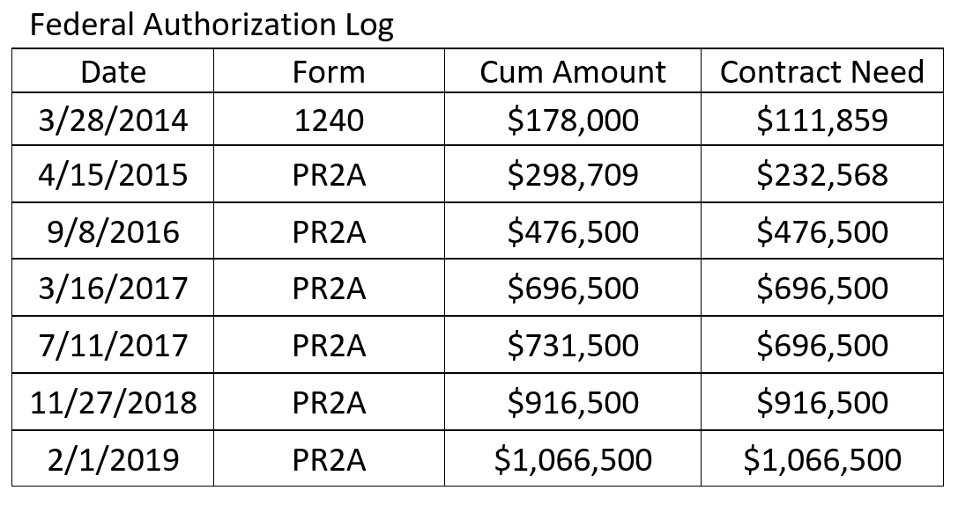
 | Project No.: TPF-5(2297)
 | Lead State Financial Manager: Ron Curb
 | as of August 7, 2020

 |  |  |  | FHWA 1240 | FHWA Total Auth.
 | Final |  |  | $178,000 | $1,066,500
 | State / Agency / Date Transfer Received | Program Code from Partner or (OK SPR YEAR) |  |  |  | Contribution Percentage | Invoice Amount (incl. $120K to Indiana DOT) |  |  |  | Program Code from Oklahoma
 |  |  | Amount transferred or programmed | Originally Obligated in FMIS (Year One) | Currently Obligated in FMIS |  | ($1,183,367.47) | Total Expenditures Per State | Total Refund Per Agency | UDO |  | State / Agency | Actual Expenditure Distribution | Variance Over/ (Under) | Actual Expense %
 | * to Indiana DOT |  |  |  | ($120,000.00) |  | ($120,000.00) | X |  | X | X |  | X | X | X
 | 2014-09-17 | M560 | ($120,000.00) |  |  |  |  | X |  | X | X |  | X | X | X
 | Colorado |  |  |  | $70,000.00 | 5.35% | ($63,354.28) | ($63,354.28) | $6,645.72 | $6,645.72 | Z560 | Colorado | ($63,354.28) | $0.00 | 5.35%
 | 2016-02-23 | M56E | $17,500.00 |  | $17,500.00 |  |  |  |  |  |  |  | $0.00 | $0.00
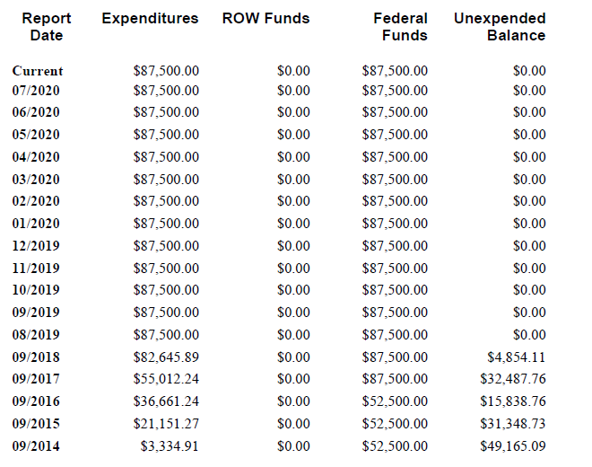
 | 2017-02-03 | M56E | $17,500.00 |  | $17,500.00 |  |  |  |  |  |  |  | $0.00 | $0.00
 | 2017-12-05 | Z560 | $17,500.00 |  | $17,500.00 |  |  |  |  |  |  |  | $0.00 | $0.00
 | 2018-11-09 | Z560 | $17,500.00 |  | $17,500.00 |  |  |  |  |  |  |  | $0.00 | $0.00
 | Connecticut |  |  | $20,000.00 | $30,000.00 | 2.29% | ($27,151.83) | ($27,151.83) | $2,848.17 | $2,848.17 | Z560 | Connecticut | ($27,151.83) | $0.00 | 2.29%
 | 2014-02-12 | 0860 | $10,000.00 | $10,000.00 | $10,000.00 |  |  |  |  |  |  |  | $0.00 | $0.00
 | 2014-02-12 | Q560 | $10,000.00 | $10,000.00 | $10,000.00 |  |  |  |  |  |  |  | $0.00 | $0.00
 | 2015-04-09 | L56E | $10,000.00 |  | $10,000.00 |  |  |  |  |  |  |  | $0.00 | $0.00
 | FHWA |  |  |  | $87,500.00 | 6.69% | ($79,192.85) | ($79,192.85) | $8,307.15 | $8,307.15 | Z560 | FHWA | ($79,192.85) | $0.00 | 6.69%
>> | by 9/2018 | M378 | $87,500.00 |  | $87,500.00 |  |  |  |  |  |  |  | $0.00 | $0.00
 | Idaho |  |  | $18,000.00 | $87,500.00 | 6.69% | ($79,192.85) | ($79,192.85) | $8,307.15 | $8,307.15 | Z560 | Idaho | ($79,192.85) | $0.00 | 6.69%
 | 2014-03-12 | M560 | $18,000.00 | $18,000.00 | $18,000.00 |  |  |  |  |  |  |  | $0.00 | $0.00
 | 2015-02-20 | M56E | $18,000.00 |  | $18,000.00 |  |  |  |  |  |  |  | $0.00 | $0.00
 | 2016-03-14 | Z560 | $16,500.00 |  | $16,500.00 |  |  |  |  |  |  |  | $0.00 | $0.00
 | 2017-06-12 | Z550 | $8,300.00 |  | $8,300.00 |  |  |  |  |  |  |  | $0.00 | $0.00
 | 2018-05-10 | Z550 | $14,100.00 |  | $14,100.00 |  |  |  |  |  |  |  | $0.00 | $0.00
 | 2019-04-04 | Z560 | $12,600.00 |  | $12,600.00 |  |  |  |  |  |  |  | $0.00 | $0.00
 | Illinois |  |  | $17,500.00 | $87,500.00 | 6.69% | ($79,192.85) | ($79,192.85) | $8,307.15 | $8,307.15 | Z560 | Illinois | ($79,192.85) | $0.00 | 6.69%
 | 2014-01-30 | L56E | $17,500.00 | $17,500.00 | $17,500.00 |  |  |  |  |  |  |  | $0.00 | $0.00
 | 2015-06-09 | L56E | $17,500.00 |  | $17,500.00 |  |  |  |  |  |  |  | $0.00 | $0.00
 | 2016-06-22 | M560 | $17,500.00 |  | $17,500.00 |  |  |  |  |  |  |  | $0.00 | $0.00
 | 2017-04-14 | M560 | $17,500.00 |  | $17,500.00 |  |  |  |  |  |  |  | $0.00 | $0.00
 | 2018-02-14 | M56E | $17,500.00 |  | $17,500.00 |  |  |  |  |  |  |  | $0.00 | $0.00
 | Indiana * |  |  | $17,500.00 | $52,500.00 | 4.02% | ($47,515.71) | ($47,515.71) | $4,984.29 | $4,984.29 | Z560 | Indiana * | ($47,515.71) | $0.00 | 4.02%
 | 2014-01-30 | M560 | $17,500.00 | $17,500.00 | $17,500.00 |  |  |  |  |  |  |  | $0.00 | $0.00
 | 2016-01-08 | M550 | $17,500.00 |  | $17,500.00 |  |  |  |  |  |  |  | $0.00 | $0.00
 | 2016-11-14 | M550 | $13,125.00 |  | $13,125.00 |  |  |  |  |  |  |  | $0.00 | $0.00
 | 2016-11-14 | M56E | $4,375.00 |  | $4,375.00 |  |  |  |  |  |  |  | $0.00 | $0.00
 | Iowa |  |  | $35,000.00 | $87,500.00 | 6.69% | ($79,192.85) | ($79,192.85) | $8,307.15 | $8,307.15 | Z560 | Iowa | ($79,192.85) | $0.00 | 6.69%
 | 2014-02-05 | M560 | $35,000.00 | $35,000.00 | $35,000.00 |  |  |  |  |  |  |  | $0.00 | $0.00
 | 2015-01-23 | M56E | $17,500.00 |  | $17,500.00 |  |  |  |  |  |  |  | $0.00 | $0.00
 | 2017-11-13 | Z560 | $17,500.00 |  | $17,500.00 |  |  |  |  |  |  |  | $0.00 | $0.00
 | 2018-06-20 | Z560 | $17,500.00 |  | $17,500.00 |  |  |  |  |  |  |  | $0.00 | $0.00
 | Kansas |  |  | $35,000.00 | $105,000.00 | 8.03% | ($95,031.42) | ($95,031.42) | $9,968.58 | $9,968.58 | Z560 | Kansas | ($95,031.42) | $0.00 | 8.03%
 | 2014-03-03 | M560 | $35,000.00 | $35,000.00 | $35,000.00 |  |  |  |  |  |  |  | $0.00 | $0.00
 | 2015-05-26 | M56E | $17,500.00 |  | $17,500.00 |  |  |  |  |  |  |  | $0.00 | $0.00
 | 2017-03-02 | Z560 | $17,500.00 |  | $17,500.00 |  |  |  |  |  |  |  | $0.00 | $0.00
 | 2018-02-01 | Z560 | $17,500.00 |  | $17,500.00 |  |  |  |  |  |  |  | $0.00 | $0.00
 | 2019-03-19 | Z560 | $17,500.00 |  | $17,500.00 |  |  |  |  |  |  |  | $0.00 | $0.00
 | Michigan |  |  | $35,000.00 | $105,000.00 | 8.03% | ($95,031.42) | ($95,031.42) | $9,968.58 | $9,968.58 | Z560 | Michigan | ($95,031.42) | $0.00 | 8.03%
 | 2014-03-12 | M560 | $35,000.00 | $35,000.00 | $35,000.00 |  |  |  |  |  |  |  | $0.00 | $0.00
 | 2015-05-26 | M56E | $17,500.00 |  | $17,500.00 |  |  |  |  |  |  |  | $0.00 | $0.00
 | 2016-06-10 | M56E | $17,500.00 |  | $17,500.00 |  |  |  |  |  |  |  | $0.00 | $0.00
 | 2018-03-07 | Z560 | $17,500.00 |  | $17,500.00 |  |  |  |  |  |  |  | $0.00 | $0.00
 | 2018-12-04 | Z560 | $17,500.00 |  | $17,500.00 |  |  |  |  |  |  |  | $0.00 | $0.00
 | Minnesota |  |  |  | $105,000.00 | 8.03% | ($95,031.42) | ($95,031.42) | $9,968.58 | $9,968.58 | Z560 | Minnesota | ($95,031.42) | $0.00 | 8.03%
 | 2014-06-04 | M560 | $17,500.00 |  | $17,500.00 |  |  |  |  |  |  |  | $0.00 | $0.00
 | 2014-11-25 | M56E | $17,500.00 |  | $17,500.00 |  |  |  |  |  |  |  | $0.00 | $0.00
 | 2016-05-03 | Z560 | $17,500.00 |  | $17,500.00 |  |  |  |  |  |  |  | $0.00 | $0.00
 | 2017-02-03 | Z560 | $17,500.00 |  | $17,500.00 |  |  |  |  |  |  |  | $0.00 | $0.00
 | 2017-12-07 | L560 | $17,500.00 |  | $17,500.00 |  |  |  |  |  |  |  | $0.00 | $0.00
 | 2019-01-08 | Z560 | $17,500.00 |  | $17,500.00 |  |  |  |  |  |  |  | $0.00 | $0.00
 | Nebraska |  |  | $17,500.00 | $105,000.00 | 8.03% | ($95,031.42) | ($95,031.42) | $9,968.58 | $9,968.58 | Z560 | Nebraska | ($95,031.42) | $0.00 | 8.03%
 | 2014-03-17 | M560 | $17,500.00 | $17,500.00 | $17,500.00 |  |  |  |  |  |  |  | $0.00 | $0.00
 | 2014-10-24 | M550 | $17,500.00 |  | $17,500.00 |  |  |  |  |  |  |  | $0.00 | $0.00
 | 2015-12-23 | M55E | $17,500.00 |  | $17,500.00 |  |  |  |  |  |  |  | $0.00 | $0.00
 | 2016-12-20 | M55E | $17,500.00 |  | $17,500.00 |  |  |  |  |  |  |  | $0.00 | $0.00
 | 2018-03-14 | Z550 | $17,500.00 |  | $17,500.00 |  |  |  |  |  |  |  | $0.00 | $0.00
 | 2019-03-05 | Z550 | $17,500.00 |  | $17,500.00 |  |  |  |  |  |  |  | $0.00 | $0.00
 | New Jersey |  |  |  | $35,000.00 | 2.68% | ($31,677.14) | ($31,677.14) | $3,322.86 | $3,322.86 | Z560 | New Jersey | ($31,677.14) | $0.00 | 2.68%
 | 2016-08-29 | M56E | $17,500.00 |  | $17,500.00 |  |  |  |  |  |  |  | $0.00 | $0.00
 | 2017-02-03 | Z560 | $17,500.00 |  | $17,500.00 |  |  |  |  |  |  |  | $0.00 | $0.00
 | New York |  |  |  | $35,000.00 | 2.68% | ($31,677.14) | ($31,677.14) | $3,322.86 | $3,322.86 | Z560 | New York | ($31,677.14) | $0.00 | 2.68%
 | 2017-03-02 | Z560 | $35,000.00 |  | $35,000.00 |  |  |  |  |  |  |  | $0.00 | $0.00
 | North Dakota |  |  | $17,500.00 | $87,500.00 | 6.69% | ($79,192.85) | ($79,192.85) | $8,307.15 | $8,307.15 | Z560 | North Dakota | ($79,192.85) | $0.00 | 6.69%
 | 2014-01-28 | Q560 | $17,500.00 | $17,500.00 | $17,500.00 |  |  |  |  |  |  |  | $0.00 | $0.00
 | 2015-03-17 | M560 | $17,500.00 |  | $17,500.00 |  |  |  |  |  |  |  | $0.00 | $0.00
 | 2016-02-02 | M560 | $17,500.00 |  | $17,500.00 |  |  |  |  |  |  |  | $0.00 | $0.00
 | 2017-01-24 | M560 | $17,500.00 |  | $17,500.00 |  |  |  |  |  |  |  | $0.00 | $0.00
 | 2018-02-28 | M56E | $17,500.00 |  | $17,500.00 |  |  |  |  |  |  |  | $0.00 | $0.00
 | Oklahoma | (OK SPR PROG) |  |  | $70,000.00 | 5.35% | ($63,354.28) | ($63,354.28) | $6,645.72 | $6,645.72 | .< SPR >. | Oklahoma | ($63,354.28) | $0.00 | 5.35%
 | 2015 | (SPR2015) | $17,500.00 |  | $17,500.00 |  |  |  |  |  |  |  | $0.00 | $0.00
 | 2016 | (SPR2016) | $17,500.00 |  | $17,500.00 |  |  |  |  |  |  |  | $0.00 | $0.00
 | 2018 | (SPR2018) | $17,500.00 |  | $17,500.00 |  |  |  |  |  |  |  | $0.00 | $0.00
 | 2019 | (SPR2019) | $17,500.00 |  | $17,500.00 |  |  |  |  |  |  |  | $0.00 | $0.00
 | Pennsylvania |  |  | $17,500.00 | $70,000.00 | 5.35% | ($63,354.28) | ($63,354.28) | $6,645.72 | $6,645.72 | Z560 | Pennsylvania | ($63,354.28) | $0.00 | 5.35%
 | 2014-03-12 | L56E | $17,500.00 | $17,500.00 | $17,500.00 |  |  |  |  |  |  |  | $0.00 | $0.00
 | 2015-12-17 | M560 | $17,500.00 |  | $17,500.00 |  |  |  |  |  |  |  | $0.00 | $0.00
 | 2017-12-01 | Z560 | $17,500.00 |  | $17,500.00 |  |  |  |  |  |  |  | $0.00 | $0.00
 | 2018-04-12 | Z560 | $17,500.00 |  | $17,500.00 |  |  |  |  |  |  |  | $0.00 | $0.00
 | Wisconsin |  |  | $17,500.00 | $87,500.00 | 6.69% | ($79,192.85) | ($79,192.85) | $8,307.15 | $8,307.15 | Z560 | Wisconsin | ($79,192.85) | $0.00 | 6.69%
 | 2014-01-28 | M560 | $17,500.00 | $17,500.00 | $17,500.00 |  |  |  |  |  |  |  | $0.00 | $0.00
 | 2015-04-27 | M550 | $17,500.00 |  | $17,500.00 |  |  |  |  |  |  |  | $0.00 | $0.00
 | 2016-04-28 | M560 | $17,500.00 |  | $17,500.00 |  |  |  |  |  |  |  | $0.00 | $0.00
 | 2017-08-01 | M56E | $17,500.00 |  | $17,500.00 |  |  |  |  |  |  |  | $0.00 | $0.00
 | 2018-07-18 | Z560 | $17,500.00 |  | $17,500.00 |  |  |  |  |  |  |  | $0.00 | $0.00
 |  | total available |  | $248,000.00 | $1,307,500.00 | 100.00% |  | total returned | $124,132.53 | $124,132.53 |  |  |  |  | 100.00%
 | total transfers in + OK programmed |  | $1,307,500.00
 |  |  |  | total transfer out | ($120,000.00)
 |  |  |  | net available | $1,187,500.00
 |  |  | total authorized | $178,000.00 | $1,066,500.00
 |  |  | OkSU contract | $111,859.00 | $1,066,500.00
 |  |  |  | contract expenditures | ($1,063,367.47) | ($120,000.00) | ($1,183,367.47)
 |  |  |  | remaining for refunds | $124,132.53

